Screen Details
Detailed Screen-by-Screen WCAG Audit
# | Screen Label | Annotated Screenshot | Activity | PASS | FAIL | Cannot Verify | Pass Rate | Status
1 | Screen-01 (iLearn App) | 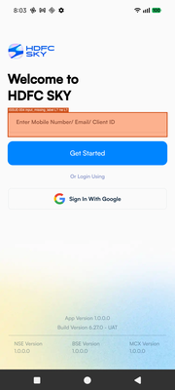 state_2026-03-18_200304_annotated.png | crc6475b5a62042f13b2b.MainActivity | 6 | 0 | 0 | 100.0% | PASS
2 | Screen-02 (iLearn App) | 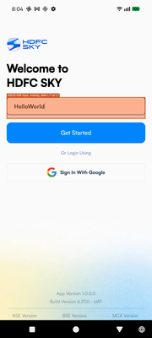 state_2026-03-18_200433_annotated.png | crc6475b5a62042f13b2b.MainActivity | 9 | 0 | 0 | 100.0% | PASS
3 | Screen-03 (iLearn App) |  state_2026-03-18_200448_annotated.png | crc6475b5a62042f13b2b.MainActivity | 9 | 0 | 0 | 100.0% | PASS
4 | Screen-04 (iLearn App) |  state_2026-03-18_200537_annotated.png | crc6475b5a62042f13b2b.MainActivity | 9 | 0 | 0 | 100.0% | PASS
5 | Screen-05 (iLearn App) | 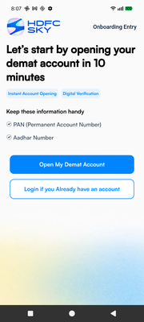 state_2026-03-18_200712_annotated.png | crc6475b5a62042f13b2b.MainActivity | 6 | 0 | 0 | 100.0% | PASS
6 | Screen-06 (iLearn App) | 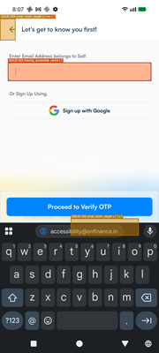 state_2026-03-18_200739_annotated.png | crc6475b5a62042f13b2b.MainActivity | 12 | 1 | 0 | 92.3% | PASS
7 | Screen-07 (iLearn App) | 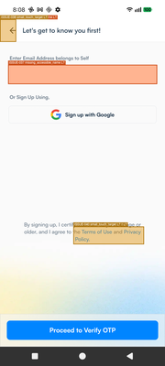 state_2026-03-18_200827_annotated.png | crc6475b5a62042f13b2b.MainActivity | 12 | 1 | 0 | 92.3% | PASS
8 | Screen-08 (iLearn App) | 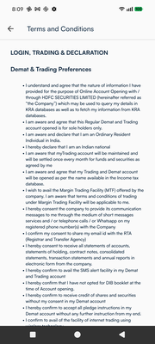 state_2026-03-18_200912_annotated.png | crc6475b5a62042f13b2b.MainActivity | 3 | 0 | 0 | 100.0% | PASS
9 | Screen-09 (iLearn App) |  state_2026-03-18_201023_annotated.png | crc6475b5a62042f13b2b.MainActivity | 0 | 0 | 0 | 0% | FAIL
10 | Screen-10 (iLearn App) | 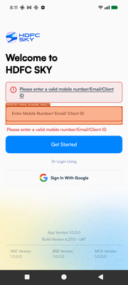 state_2026-03-18_201144_annotated.png | crc6475b5a62042f13b2b.MainActivity | 12 | 0 | 0 | 100.0% | PASS
11 | Screen-11 (iLearn App) | 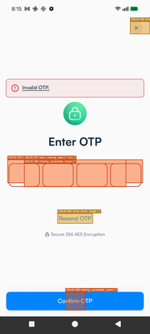 state_2026-03-18_201537_annotated.png | crc6475b5a62042f13b2b.MainActivity | 6 | 1 | 0 | 85.7% | PASS
12 | Screen-12 (iLearn App) |  state_2026-03-18_201612_annotated.png | crc6475b5a62042f13b2b.MainActivity | 12 | 1 | 0 | 92.3% | PASS
13 | Screen-13 (iLearn App) | 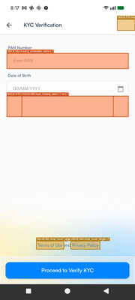 state_2026-03-18_201711_annotated.png | crc6475b5a62042f13b2b.MainActivity | 9 | 1 | 0 | 90.0% | PASS
14 | Screen-14 (iLearn App) |  state_2026-03-18_201759_annotated.png | crc6475b5a62042f13b2b.MainActivity | 15 | 1 | 0 | 93.8% | PASS
15 | Screen-15 (iLearn App) | 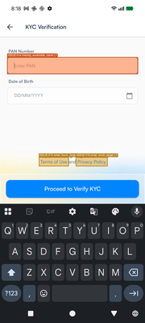 state_2026-03-18_201826_annotated.png | crc6475b5a62042f13b2b.MainActivity | 15 | 1 | 0 | 93.8% | PASS
16 | Screen-16 (iLearn App) | 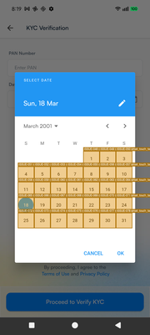 state_2026-03-18_201921_annotated.png | crc6475b5a62042f13b2b.MainActivity | 114 | 6 | 0 | 95.0% | PASS
17 | Screen-17 (iLearn App) | 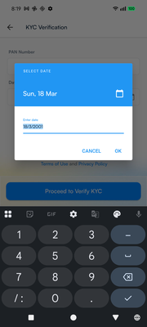 state_2026-03-18_201941_annotated.png | crc6475b5a62042f13b2b.MainActivity | 15 | 0 | 0 | 100.0% | PASS
18 | Screen-18 (iLearn App) |  state_2026-03-18_202019_annotated.png | crc6475b5a62042f13b2b.MainActivity | 15 | 1 | 0 | 93.8% | PASS
19 | Screen-19 (iLearn App) | 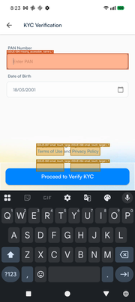 state_2026-03-18_202333_annotated.png | crc6475b5a62042f13b2b.MainActivity | 15 | 1 | 0 | 93.8% | PASS
20 | Screen-20 (iLearn App) | 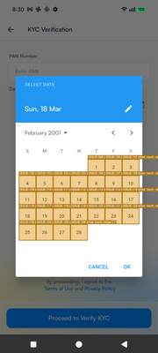 state_2026-03-18_203002_annotated.png | crc6475b5a62042f13b2b.MainActivity | 105 | 5 | 0 | 95.5% | PASS
21 | Screen-21 (iLearn App) |  state_2026-03-18_203044_annotated.png | crc6475b5a62042f13b2b.MainActivity | 15 | 1 | 0 | 93.8% | PASS

